Sheet1
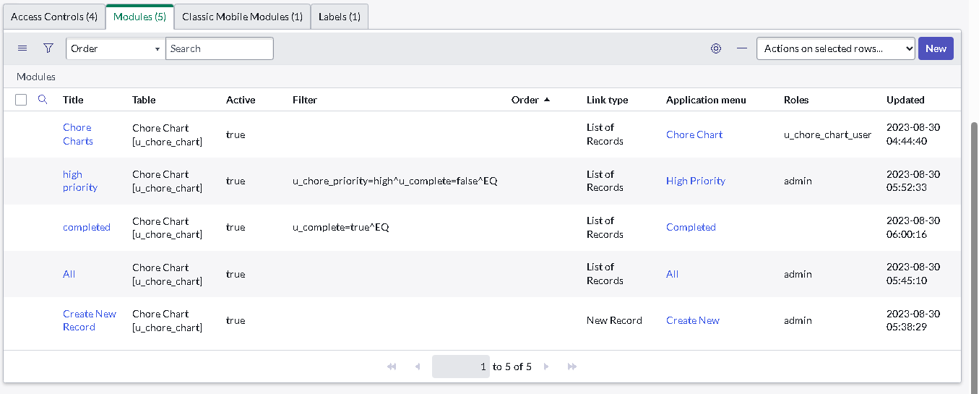
Name: | YEVGENY GRAZIO MARI ALBANO | Exercise/Laboratory: | Assignment 1 ServiceNow Basics
Block/Section: | IT 5108 | Date: | 08 / 30 / 2023
Github Repository Link:

1.a, 1.b Created table and Created fields
1.c Chore Priority

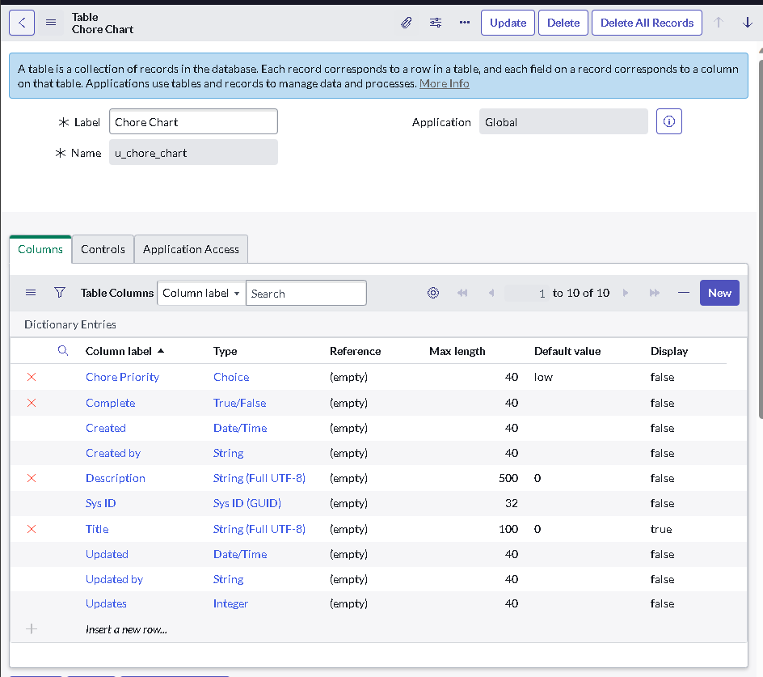
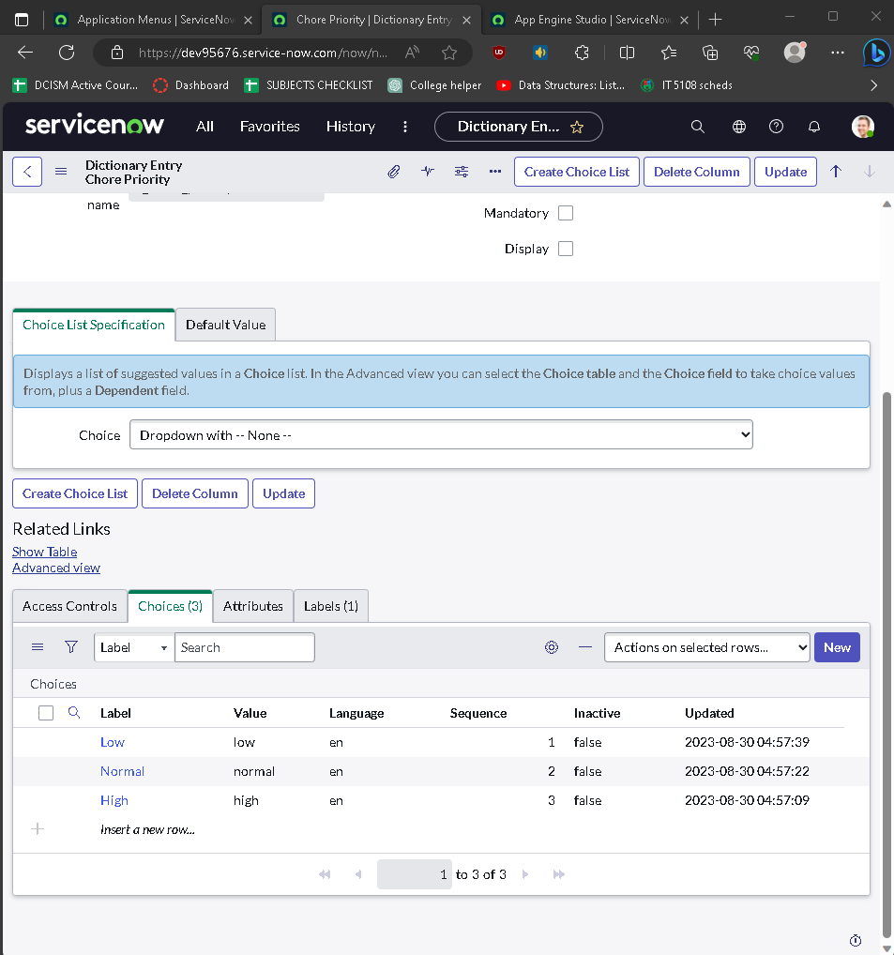

2.a organizing list layout

2.b form layout order
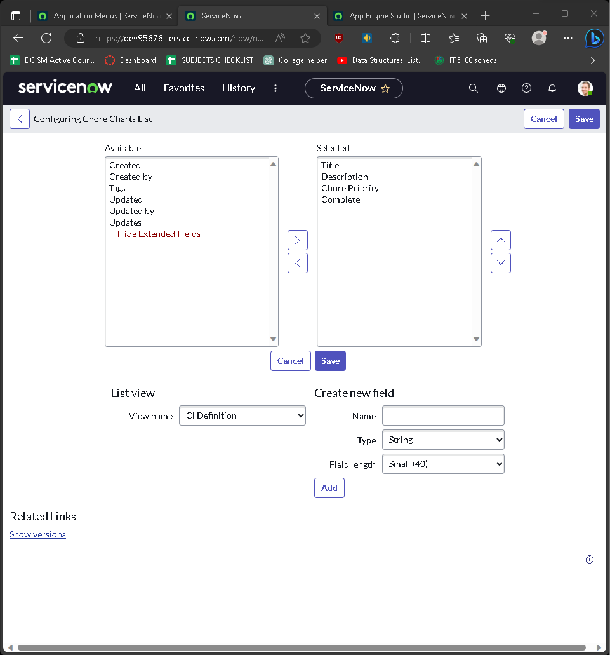
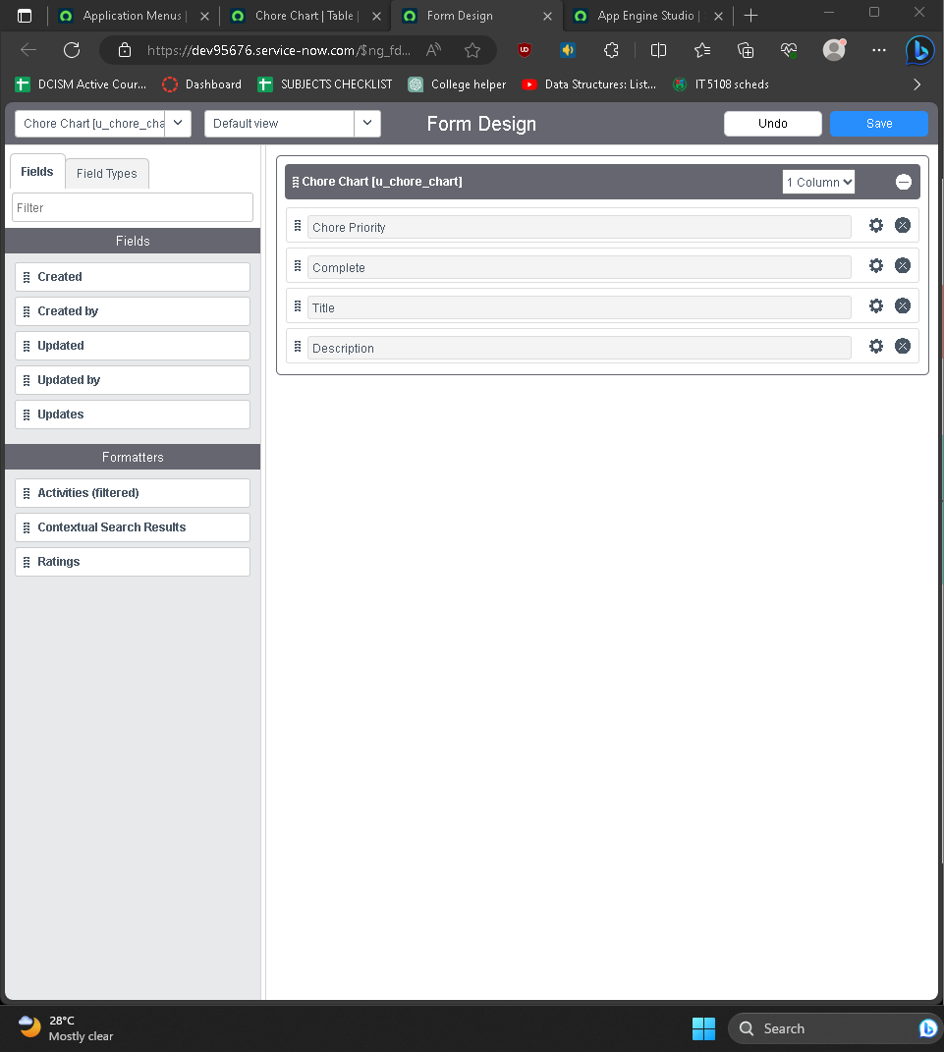

3. New list named “Detailed View” 4. List layout in “Detailed View”

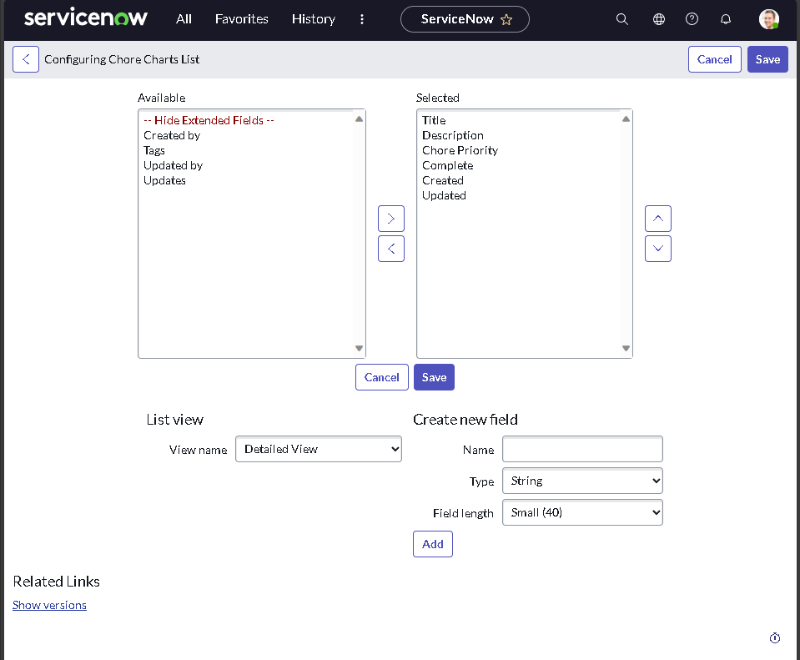
5. New form “Task View” 6. “Form layout for “Task View”

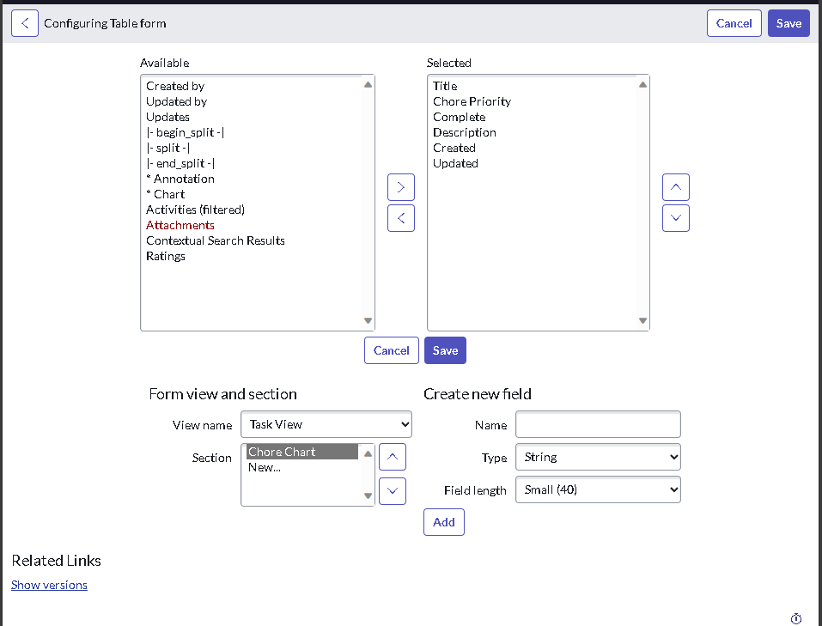

7. Application Modules for Chore Chart

